Sheet1
y | 0.33333333333 | 0.22222222222 | 0.44444444444

P | North | West | South | x | Px
North | 0.66666666667 | 1 | 1 | 0.33333333333 | 0.88888888889
West | 1 | 0.5 | 1 | 0.22222222222 | 0.88888888889
South | 1 | 1 | 0.75 | 0.44444444444 | 0.88888888889
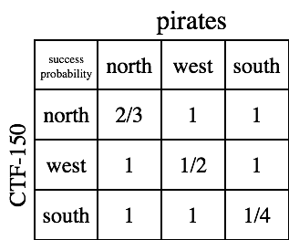

sum_x | 1
sum_y | 1

yP | 0.88888888889 | 0.88888888889 | 0.88888888889

payoff (yPx) | 0.88888888889

u | 0.88888888889
v | 0.88888888889
 |  | ue
 |  | 0.88888888889
 |  | 0.88888888889
 |  | 0.88888888889

ev | 0.88888888889 | 0.88888888889 | 0.88888888889

